Instructions
Instructions
This Microsoft Excel file sets forth the System Requirements comprising Statement of Work Exhibits B-2 (Technical Requirements), B-3 (Functional Requirements), and B-4 (General Requirements) for the ACES RFP. This Excel file is a form for Proposers to respond to each requirement.
For each System Requirement, the Proposer shall (a) select a single response code in the RESPONSE column, and (b) enter additional information in the COMMENTS column, as called for in the RFP. Do not enter responses to category and sub-category headings, indicated by cross-hatches in the RESPONSE column. The proposer shall not otherwise alter this spreadsheet or enter data elsewhere in the spreadsheet.
The County will calculate System Requirements Matrix scores based on Proposer responses. The County reserves the right to adjust scores as needed to reconcile any discrepancies among the various portions of the proposal and other information received during the RFP process.
Proposers shall respond as requested for each and every requirement except where the RESPONSE column is cross-hatched. Failure to respond to a requirement by selecting one of the valid response codes may result in a zero score for that requirement.
In the RESPONSE column, use the drop-down list to select the response code that most accurately describes whether the effort needed to meet the requirement Only the following response codes are valid:
Currently Existing: The Proposer will provide and implement pre-existing software that currently includes this feature. In the COMMENTS column indicate the software module that can demonstrate this feature; if this feature is currently operational at a customer site, also indicate the site. If this information is explained elsewhere in the proposal, indicate the page and paragraph in the proposal where it is explained.
Modifications to Existing Software: The Proposer will provide and implement this feature by modifying or updating a pre-existing software product, without the need for third-party software (except in the development environment). This modification work is included in the fixed price bid, is called out in the Pricing Breakdown Spreadsheet, and will be reflected in the various deliverables associated with the project. In the COMMENTS column indicate either (a) the software product or module that will be modified, OR (b) the page and paragraph in the proposal where this is identified and explained.
New Development: The Proposer will provide and implement this feature by developing a new software module, without the need for third-party software (except in the development environment). This development work is included in the fixed price bid, is called out in the Pricing Breakdown Spreadsheet, and will be reflected in the various deliverables associated with the project. In the COMMENTS column indicate the page and paragraph in the proposal where this work is explained.
Third-Party Integration: The Proposer will provide and implement this feature by providing, installing, adapting, integrating, and implementing a third-party software product. This is included in the fixed price bid, is called out in the Pricing Breakdown Spreadsheet, and will be reflected in the various deliverables associated with the project. In the COMMENTS column indicate either (a) the specific third-party software product (including release) that will be used, OR (b) the page and paragraph in the proposal where this is identified and explained.
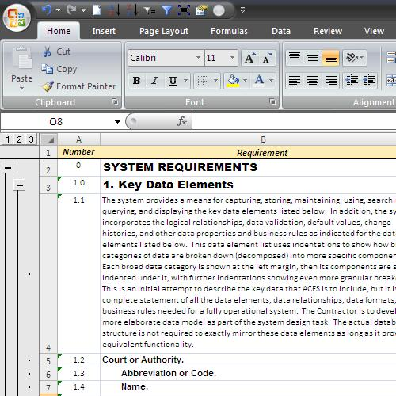

To expand all categories, click on the "3" box.

To collapse all categories, click on the "2" box.

To expand a particular category, click on the plus or minus sign.

